Intro
Adidas Sales Performance Dashboard

`

Dashboard
Overview
Adidas Sales Performance Dashboard
 | Cost
 | 63%
 | 37%
 | Cost
 | 63%
 | 37%
2.478.861
$899.902.125
$567.767.364
$332.134.761
Product
63%
37%
Total orders
Total revenue
Total cost
Total profit

Revenue by methods
(million $)
 | Revenue | Profit
Jan | $16,253,746 | $5,830,005
Feb | $14,997,988 | $5,207,354
Mar | $17,660,577 | $5,862,006
Apr | $24,607,006 | $9,301,293
May | $16,918,014 | $5,870,842
Jun | $8,829,819 | $2,292,727
Jul | $17,146,013 | $4,917,665
Aug | $19,877,980 | $7,338,925
Sep | $18,304,436 | $7,119,702
Oct | $10,836,269 | $4,139,469
Nov | $8,622,300 | $2,783,476
Dec | $8,026,527 | $2,712,196
Jan | $55,225,396 | $19,311,929
Feb | $46,102,165 | $16,185,382
Mar | $39,148,532 | $14,577,782
Apr | $47,732,964 | $18,257,944
May | $63,589,681 | $24,075,413
Jun | $65,917,553 | $24,421,989
Jul | $78,334,681 | $29,137,233
Aug | $72,288,221 | $27,112,516
Sep | $59,357,023 | $23,889,884
Oct | $53,074,764 | $20,938,975
Nov | $59,235,040 | $21,972,045
Dec | $77,815,430 | $28,878,006
Revenue & Profit trend
 | Units | Profit margin
Jan | 48333 | 36%
Feb | 37846 | 35%
Mar | 46972 | 33%
Apr | 54709 | 38%
May | 35705 | 35%
Jun | 16269 | 26%
Jul | 38219 | 29%
Aug | 62307 | 37%
Sep | 46125 | 39%
Oct | 30167 | 38%
Nov | 25152 | 32%
Dec | 20545 | 34%
Jan | 179299 | 35%
Feb | 156113 | 35%
Mar | 143988 | 37%
Apr | 161717 | 38%
May | 178900 | 38%
Jun | 164745 | 37%
Jul | 180481 | 37%
Aug | 195414 | 38%
Sep | 182425 | 40%
Oct | 152834 | 39%
Nov | 149350 | 37%
Dec | 171246 | 37%
Sales units & Profit margin trend

 | Total
In-store | $356,643,750
Online | $247,672,882
Outlet | $295,585,493

 | Total
In-store | $356,643,750
Online | $247,672,882
Outlet | $295,585,493
Revenue & Profit by producs (million $)
Revenue by Retailer(million $)
Revenue by states
 | Revenue | Profit
Men's Apparel | $123,728,632 | $44,763,030
Men's Athletic Footwear | $153,673,680 | $51,846,888
Men's Street Footwear | $208,826,244 | $82,802,261
Women's Apparel | $179,038,860 | $68,650,971
Women's Athletic Footwear | $106,631,896 | $38,975,785
Women's Street Footwear | $128,002,813 | $45,095,827

By voanhduy1710

Product
Overview
Adidas Sales Performance Dashboard
 | Cost
 | 63%
 | 37%
 | Cost
 | 63%
 | 37%
2.478.861
$899.902.125
$567.767.364
$332.134.761
Product
63%
37%
Total orders
Total revenue
Total cost
Total profit
 | Women's Street Footwear | Women's Athletic Footwear | Women's Apparel | Men's Street Footwear | Men's Athletic Footwear | Men's Apparel
Jan | 2409037 | 1990181 | 3066713 | 3859495 | 2639958 | 2288362
Feb | 2478844 | 2181938 | 2113861 | 2882776 | 3055928 | 2284641
Mar | 2626326 | 2379327 | 3570368 | 3683790 | 3176299 | 2224467
Apr | 3353969 | 2931669 | 4931081 | 5403244 | 4197444 | 3789599
May | 2319492 | 2160044 | 3322570 | 3209137 | 2913820 | 2992951
Jun | 1601820 | 1150501 | 1857493 | 1831450 | 1541967 | 846588
Jul | 2378688 | 2186525 | 3291716 | 3840096 | 3093292 | 2355696
Aug | 2926020 | 2687600 | 3748758 | 3244959 | 4201586 | 3069057
Sep | 3015912 | 2447313 | 3835693 | 3504026 | 2741893 | 2759599
Oct | 1804339 | 1531020 | 2342771 | 1994487 | 1482040 | 1681612
Nov | 1559189 | 794819 | 1418844 | 2258139 | 1684996 | 906313
Dec | 952369 | 1188955 | 1690464 | 2111421 | 1065239 | 1018079
Jan | 8430191 | 6357156 | 10286615 | 11734700 | 10451678 | 7965056
Feb | 6674021 | 5029660 | 8295794 | 11316559 | 7839214 | 6946917
Mar | 6007523 | 4741774 | 6714950 | 9590963 | 6743397 | 5349925
Apr | 7084883 | 5188747 | 10199898 | 11399753 | 7744805 | 6114878
May | 8804718 | 7269641 | 13658307 | 15435431 | 9947688 | 8473896
Jun | 9044687 | 7593562 | 15519917 | 15402319 | 9725886 | 8631182
Jul | 10488993 | 8633584 | 16233109 | 19244657 | 12968988 | 10765350
Aug | 10630610 | 8139077 | 12228186 | 18607030 | 13974791 | 8708527
Sep | 8496414 | 6385166 | 11119933 | 14285930 | 11595725 | 7473855
Oct | 7101951 | 6191335 | 11051405 | 12557222 | 9236718 | 6936133
Nov | 7265669 | 7922340 | 13629706 | 12474812 | 8455290 | 9487223
Dec | 10547148 | 9549962 | 14910708 | 18953848 | 13195038 | 10658726
Product matrix
Avg profit per unit
Products
Units sold
Profit
Margin

Method revenue
Method revenue % trend
 | Total
In-store | $356,643,750
Online | $247,672,882
Outlet | $295,585,493
 | In-store | Online | Outlet
Jan | 0.21825737895 | 0.024429506896 | 0.75731311416
Feb | 0.43930892597 | 0.024781257326 | 0.5359098167
Mar | 0.39714161095 | 0.024524170416 | 0.57833421864
Apr | 0.6351239968 | 0.025051158195 | 0.33982484501
May | 0.72164203198 | 0.024936378466 | 0.25342158956
Jun | 0.97468022844 | 0.02531977156 | 0
Jul | 0.74412342974 | 0.024990532785 | 0.23088603747
Aug | 0.45057395168 | 0.024432160612 | 0.52499388771
Sep | 0.6513448434 | 0.024923685166 | 0.32373147143
Oct | 0.5274416868 | 0.024782976502 | 0.4477753367
Nov | 0.11090428308 | 0.025005972884 | 0.86408974404
Dec | 0 | 0.025130420666 | 0.97486957933
Jan | 0.27351546741 | 0.25571997709 | 0.4707645555
Feb | 0.3148442161 | 0.27729812689 | 0.40785765701
Mar | 0.35815519213 | 0.29729893831 | 0.34454586956
Apr | 0.29877151563 | 0.25828861162 | 0.44293987275
May | 0.34202090116 | 0.28463320959 | 0.37334588925
Jun | 0.44123300511 | 0.39080687658 | 0.1679601183
Jul | 0.42859369019 | 0.39771354912 | 0.17369276068
Aug | 0.38279057939 | 0.39379751786 | 0.22341190275
Sep | 0.29067748226 | 0.3183247583 | 0.39099775944
Oct | 0.34983669452 | 0.30472894802 | 0.34543435747
Nov | 0.41188458723 | 0.37491520222 | 0.21320021055
Dec | 0.41816899296 | 0.40506283908 | 0.17676816796
In-store
$357m

Online
$248m

Outlet
By voanhduy1710
$296m

Recomendation
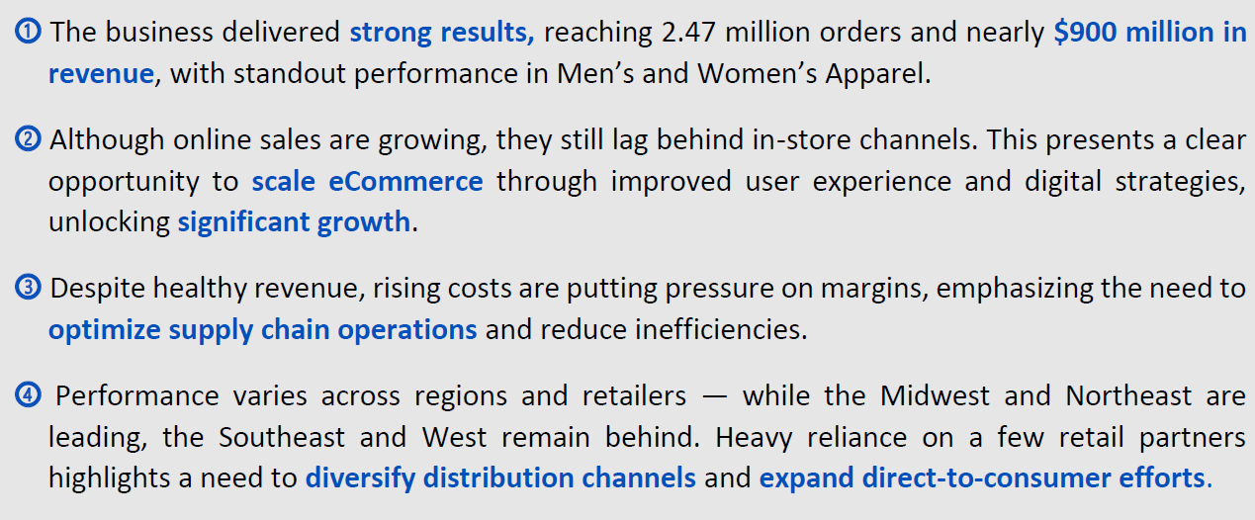
Key Findings & Recommendations

